Sheet1
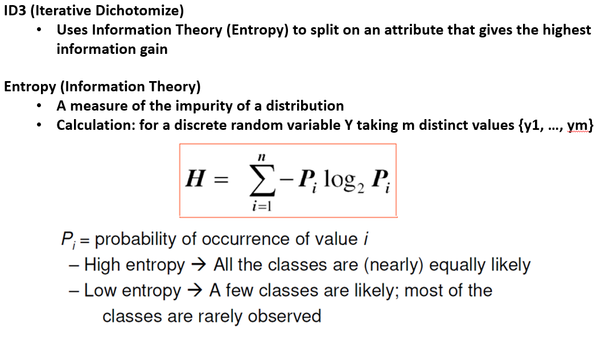
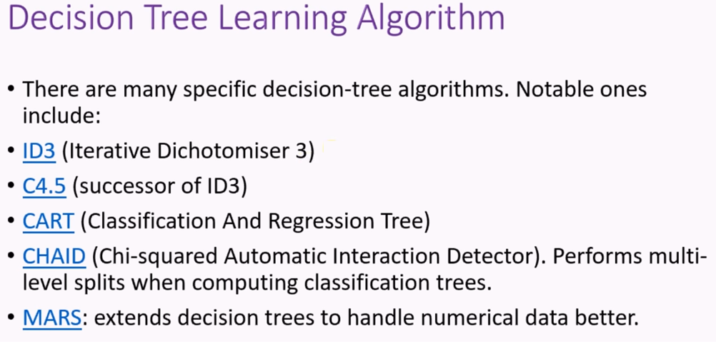
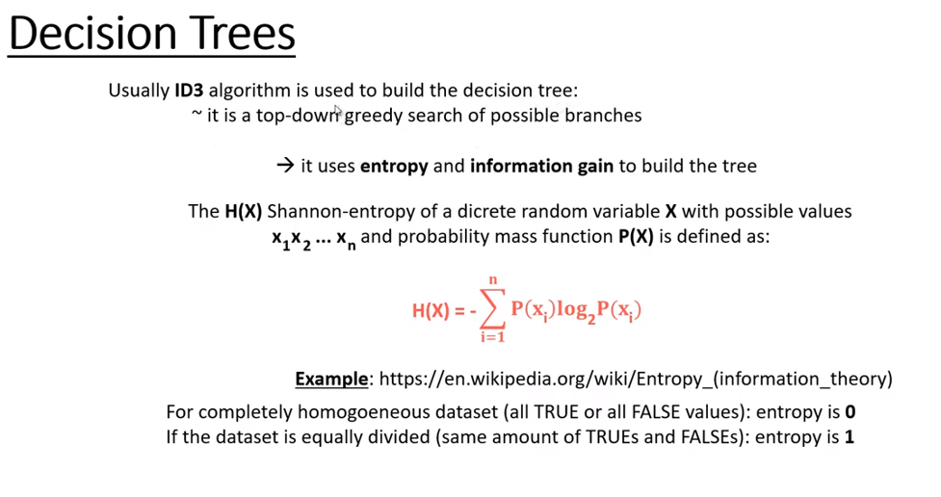
Entropy Calculations for Decision Trees
Day | Outlook | Temperature | Humidity | Wind | Play Golf
D1 | Sunny | Hot | High | Weak | No
D2 | Sunny | Hot | High | Strong | No
D3 | Overcast | Hot | High | Weak | Yes
D4 | Rain | Mild | High | Weak | Yes
D5 | Rain | Cool | Normal | Weak | Yes
D6 | Rain | Cool | Normal | Weak | No
D7 | Overcast | Cool | Normal | Strong | Yes
D8 | Sunny | Mild | High | Weak | No
D9 | Sunny | Cool | Normal | Weak | Yes
D10 | Rain | Mild | Normal | Weak | Yes
D11 | Sunny | Mild | Normal | Strong | Yes
D12 | Overcast | Mild | High | Strong | Yes
D13 | Overcast | Hot | Normal | Weak | Yes
D14 | Rain | Mild | High | Strong | No

